FCFE calculation
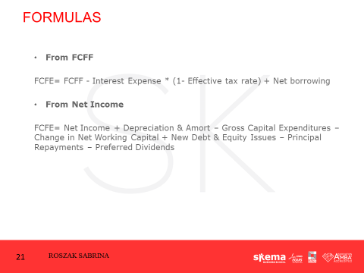
 | 2010 | 2011
Revenues | $600.00 | $690.00
Operating Expenses | $520.00 | $600.00
Depreciation | $16.00 | $18.00
EBIT | $64.00 | $72.00
Less Interest Expenses | $5.00 | $5.00
Less Taxes | $23.60 | $26.80
Equals: Net Income | $35.40 | $40.20
Addendum:
Yearend working capital | $150.00 | $200.00
Principal repayment | $25.00 | $25.00
Capital expenditures | $20.00 | $10.00

Note: Yearend WC in 2009 was $ 160 million and firm's marginal tax rate is 40% in both 2010 and 2011

FCF | $44.40 | $1.20
FCE - first way | $16.40 | $-26.80
FCE - second way | $16.40 | $-26.80
 |  | Firm is running out of cash

 | Since you repayed and not borrowed, it is - the pricniple repayment

Exercise 3
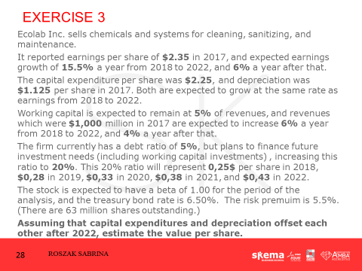
Cost Of Equity | 12%
Growth Rate 1 | 15.50%
Growth Rate 2 | 6%
Growth Rate 3 | 4%

 | 2,017 | 2,018 | 2,019 | 2,020 | 2,021 | 2,022 | INFINITE H
 | 0 | 1 | 2 | 3 | 4 | 5 | 6…
Revenues (per share) | $15.87
Earnings | $2.35 | $2.71 | $3.13 | $3.62 | $4.18 | $4.83 | $5.12
Depreciation & Amortization | $1.13 | $1.30 | $1.50 | $1.73 | $2.00 | $2.31 | $- | They are offset
Capital expenditure | $2.25 | $2.60 | $3.00 | $3.47 | $4.00 | $4.62 | $-
WC | $0.79 | $0.84 | $0.89 | $0.95 | $1.00 | $1.06 | $1.10
Ch in NWC |  | $0.05 | $0.05 | $0.05 | $0.06 | $0.06 | $0.04
New Debt & Equity Issue |  | $0.25 | $0.28 | $0.33 | $0.38 | $0.43

FCFE |  | $1.62 | $1.86 | $2.16 | $2.50 | $2.89 | $5.08

TV |  |  |  |  |  | $84.63

PV |  | $1.44 | $1.49 | $1.54 | $1.59 | $49.66

Value of Equity | $55.72 | per share
 | $3,510.34 | Millions

Reminder: WACC = [E/V * Cost of Equity] + [D/V * Cost of Debt* (1-Tax rate)]

